Chapter 7 PA1
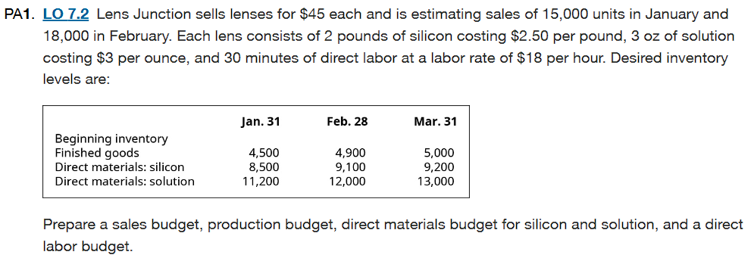
 |  |  |  | A budget is a plan estimating how much and when cash or other resources will be receiveda and how and when they will be used by the company
 |  |  |  | We are supposed to calculate sales budget, Production budget, Direct Material budget for silicon and solution and a Direct Labor budget

A. Sales Budget |  |  | C. Direct Material Budget |  |  | D. Direct Labor Budget
It presents the estimate of No. of Goods and services that the company can realistically sell over |  |  | The DM budget is computed by DM per unit with production budget. |  |  | DL budget is done for proper amount of staff availablity for production
the sales forecast. Usually made at start of fiscal year and revisited during strategic planning. |  |  | January Silicon- |  |  | and the money is left to pay the Labor including overtime.
January- |  |  | for 2 pounds costing $2.50 per pound
the company is selling its product for $45/unit with estimated sales of 15,000units |  |  | Production= 15,400 units * 2 pound/unit= 30,800 Pounds |  |  | 30 min of DL is 30/60= 0.5 Hrs
January's Sales Budget= $45*15,000= $675,000 |  |  | Pounds to Purchase |  |  | Particulars | January | February
February- |  |  | Required ending Balance | 9,100 pounds |  | Units to be produced | 15,400 | 18,100
selling product at $45/unit for 18,000 units |  |  | ADD: units needed for production | 30,800 pounds |  | Multipled: Direct labor hours/unit | 0.5 | 0.5
February's Sales Budget= $45*18,000=$810,000 |  |  | LESS: Beginning Balance | 8,500 pounds |  | Total required labor hours | 7,700 | 9,050
Particulars | January | February | Units to be Purchased | 31,400 pounds |  | Multipled: Labor cost per hour | $18.00 | $18.00
Budgeted sales unit | 15,000 | 18,000 | Since each pound is $2.50 |  |  | Total direct labor cost | $138,600 | $162,900
Selling price/unit | 45 | 45 | Total cost for silicon in January= 31,400 * 2.50= $78,500
Budgeted sales unit | $675,000 | $810,000
 |  |  | January Solution
 |  |  | for 3 oz costing $3 per ounce
B. Production Budget |  |  | Production= 15,400 units * 3 ounce per unit= 46,200 ounces
It is the budget that shows the No. of Units that are needed to be produced |  |  | Pounds to Purchase
for each period based on sales estimates and required inventory levels. |  |  | Required ending Balance | 12,000 ounces
January- |  |  | ADD: units needed for production | 46,200 ounces
Budgeted its sales to 15,000 units with beginning inventory level of 4,500 unitsand ending of 4,900 units |  |  | LESS: Beginning Balance | 11,200 ounces
Desired ending balance | 4,900 units |  | Units to be Purchased | 47,000 ounces
ADD: Units expected to be sold | 15,000 units |  | since each ounce is $3
LESS: Beginning balance | 4,500 units |  | Total cost of purchase for soltion = 47,000 * $3 per ounce= $141,000
Units to be Produced | 15,400 units
February- |  |  | February Silicon
budgeted at 18,000 units with beginning inventory level 4,900 units and ending of 5,000 units |  |  | same as the january
Desired ending balance | 5,000 units |  | Production= 18,100 units * 2 pound/unit= 36,200 pounds
ADD: Units expected to be sold | 18,000 units |  | Pounds to purchase
LESS: Beginning balance | 4,900 units |  | Required ending Balance | 9,200 pounds
Units to be Produced | 18,100 units |  | ADD: units needed for production | 36,200 pounds
 |  |  | LESS: Beginning Balance | 9,100 pounds
Production Budget- |  |  | Units to be Purchased | 36,300 pounds
Particulars | January | February | Since each pound is $2.50
Forcasted sales unit | 15,000 | 18,000 | Total cost for silicon in February= 36,300* 2.50= $90,750
Planned Ending Inventory | 4,900 | 5,000
Total Production Required | 19,900 | 23,000 | February Solution
Beginning Invenory | 4,500 | 4,900 | for 3 oz costing $3 per ounce
Units to be produced | 15,400 | 18,100 | Production=18,100 units * 3 ounce per unit= 54,300 ounces
 |  |  | Pounds to Purchase
 |  |  | Required ending Balance | 13,000 ounces
 |  |  | ADD: units needed for production | 54,300 ounces
 |  |  | LESS: Beginning Balance | 12,000 ounces
 |  |  | Units to be Purchased | 55,300 ounces
 |  |  | since each ounce is $3
 |  |  | Total cost of purchase for soltion = 55,300 * $3 per ounce= $165,900
 |  |  | Final table to show DM Budget
 |  |  | Particulars | Silicon (Jan) | Silicon (Feb) | Solution (Jan) | Solution (Feb)
 |  |  | Units to be produced | 15,400 | 18,100 | 15,400 | 18,100
 |  |  | Direct material per unit | 2 pounds | 2 pounds | 3 ounces | 3 ounces
 |  |  | Total needed for production | 30,800 pounds | 36,200 pounds | 46,200 ounces | 54,300 ounces
 |  |  | Desired ending inventory | 9,100 pounds | 9,200 pounds | 12,000 ounces | 13,000 ounces
 |  |  | Total material required | 39,900 pounds | 45,400 pounds | 58,200 ounces | 67,300 ounces
 |  |  | Beginning inventory | 8,500 pounds | 9,100 pounds | 11,200 ounces | 12,000 ounces
 |  |  | Units to be Purchased | 31,400 pounds | 36,300 pounds | 47,000 ounces | 55,300 ounces
 |  |  | Cost per unit | $2.50 | $2.50 | $3.00 | $3.00
 |  |  | Total purchase cost | $78,500 | $90,750 | $141,000 | $165,900

